Reimbursement Form Sample
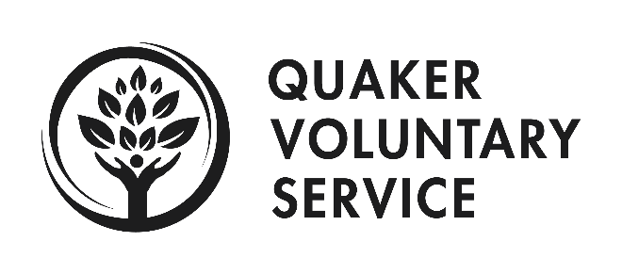
 |  | Date: | 2018-05-09
 |  | Name: | Lee Anne McGaha

SAMPLE
Expense/Receipt Date | Vendor (specific name of where you spent the money?) | Expense Description (purpose of expense) | Code | Class | Amount
7-Apr-18 | Shake Shack | Dinner for me and Sarah at White Privilege Conference | 518.500 · Fellow Conferences | 300 - Program General | $18.17
8-Apr-18 | Lee Anne McGaha | Mileage to and from Atlanta airport for WPC flight (4 fellows). 26 miles round trip @ $0.29 per mile | 518.500 · Fellow Conferences | 300 - Program General | $15.08
12-Apr-18 | Park Rite | Parking for QVS Day at the Center for Civil and Human Rights | 518.600 · Program Transportation | 310 - Atlanta Program | $8.00

 |  |  |  | Total | $41.25

